Model
Bubstal Limited |  |  |  |  | Acutal |  | Forecast |  |  | 1 | 2 | 3 | 4 | Terminal
 | Remarks | Unit | Avg | Weighting | Jan-22 | Feb-22 | M | Q | Growth Factor | 2022E | 2023E | 2024E | 2025E | 2026E
Balance Sheet Check

Assumptions

Financials

Exchange Rate USD/HKD |  |  |  |  |  |  |  |  |  | 7.78 | 7.78 | 7.78
Tax Rate |  |  |  |  |  |  |  |  |  | 16.50% | 17% | 17%
Quarter Date |  |  |  |  |  |  |  |  |  | 90 | 90 | 90

Capital Injection |  |  |  |  |  |  |  |  |  | 142,857 | 142,857 | 142,857
Debt Ratio |  |  |  |  |  |  |  |  |  | 40% | 40% | 40%
Risk Free Rate |  |  |  |  |  |  |  |  |  | 1.50% | 1.5% | 1.5%
WACC |  |  |  |  |  |  |  |  |  | 2.57% | 2.57% | 2.57%
Bank Long Term Loan Rate |  |  |  |  |  |  |  |  |  | 5.00% | 5% | 5%
Bank Loan Maximum Guarantee Period |  |  |  |  |  |  |  |  |  | 60 | 60 | 60
Initial Loan Amount |  |  |  |  |  |  |  |  |  | - | - | -
Maximum Principal Moratorlum |  |  |  |  |  |  |  |  |  | N | N | N
Total Interest |  |  |  |  |  |  |  |  |  | - | - | -
Dividend Payment |  |  |  |  |  |  |  |  |  | 0% | 0 | 0

General User
User Number
User Number
User Growth Rate |  |  |  |  |  |  |  |  |  | 35% | 45% | 50%

Revenue Model 1 (Buttom up) Marketing Funnel
Awareness / Impression Build Up

Instagram Followers |  |  |  |  |  |  |  |  | 2.5 | 6,000 | 15,000 | 37,500
Facebook Followers |  |  |  |  |  |  |  |  | 2 | 300 | 600 | 1,200
YouTube Subscribers |  |  |  |  |  |  |  |  | 5 | 150 | 750 | 3,750
LinkedIn Followers |  |  |  |  |  |  |  |  | 3 | 53 | 158 | 473
Twitter Followers |  |  |  |  |  |  |  |  | 1.5 | 10 | 15 | 23
Hidden Awareness | To capture the hidden awareness that IG, FB followers cannot explain. Can be a factor that explain "Word-of-Mouth" effect that override "Social-Media" penetration. For those potential users that aware the existence of Bubstal, but didn't follow Bubstal's social media |  |  |  |  |  |  |  | 2 | - | - | -

Interest Build Up | Interact with social media platform

Instagram
Post Likes | Average likes per post |  |  |  |  |  |  |  |  | 150 | 563 | 2,109
Correlation |  |  |  |  |  |  |  |  | 1.5 | 2.50% | 3.75% | 5.63%
Post Comments | Average comments per post |  |  |  |  |  |  |  |  | 6 | 23 | 84
Correlation |  |  |  |  |  |  |  |  | 1.5 | 0.10% | 0.15% | 0.23%
Story Interaction | Interact with IG Story Poll, Interactive elements, Replying Message, etc. |  |  |  |  |  |  |  |  | 300 | 1,125 | 4,219
Correlation |  |  |  |  |  |  |  |  | 1.5 | 5% | 8% | 11%

Facebook
Post Likes |  |  |  |  |  |  |  |  |  | 15 | 45 | 135
Correlation |  |  |  |  |  |  |  |  | 1.5 | 5% | 8% | 11%
Post Comments |  |  |  |  |  |  |  |  |  | 3 | 9 | 27
Correlation |  |  |  |  |  |  |  |  | 1.5 | 1% | 2% | 2%

YouTube
Likes |  |  |  |  |  |  |  |  |  | 15 | 113 | 844
Correlation |  |  |  |  |  |  |  |  | 1.5 | 10% | 15% | 23%
Comments |  |  |  |  |  |  |  |  |  | 5 | 34 | 253
Correlation |  |  |  |  |  |  |  |  | 1.5 | 3% | 5% | 7%

LinkedIn
Post Likes |  |  |  |  |  |  |  |  |  | 5 | 24 | 106
Correlation |  |  |  |  |  |  |  |  | 1.5 | 10% | 15% | 23%
Post Comments |  |  |  |  |  |  |  |  |  | 1 | 2 | 11
Correlation |  |  |  |  |  |  |  |  | 1.5 | 1% | 2% | 2%

Hidden Interest | A non-followers conduct all interections: Likes, Comments, etc. |  |  |  |  |  |  |  | 1.5 | 20 | 30 | 45

Retained Interest Users |  |  |  |  |  |  |  |  |  | 519 | 1,966 | 7,833

Acquisition Build Up

Both Users, Freelancers
Conversion: Interest to Acquisition |  |  |  |  |  |  |  |  | 1.5 | 85% | 128% | 191%
App Store Download |  |  |  |  |  |  |  |  |  | 294 | 2,089 | 15,605
Google Play Download |  |  |  |  |  |  |  |  |  | 147 | 418 | (624)
App Store / Google Play | 2:1 |  |  |  |  |  |  |  | 1.25 | 0.67 | 0.83 | 1.04

Total Download |  |  |  |  |  |  |  |  |  | 441 | 2,507 | 14,981

Users
Account Registration | Including every methods: Google Registration, Phone Registration, Anonymous Registration |  |  |  |  |  |  |  |  | 393 | 2,165 | 11,917
Churn from Download | # of download but no register |  |  |  |  |  |  |  | 2.5 | 2% | 5% | 13%

Freelancers
Account Registration | Including every methods: Google Registration, Phone Registration, Anonymous Registration |  |  |  |  |  |  |  |  | 39 | 221 | 1,301
Churn from Download | # of download but no register |  |  |  |  |  |  |  | 1.5 | 2% | 3% | 5%

Customer Metrics
User Ratio |  |  |  |  |  |  |  |  | 1 | 10 | 10 | 10
Freelancer Ratio |  |  |  |  |  |  |  |  | 1 | 1 | 1 | 1
User/Freelancer |  |  |  |  |  |  |  |  |  | 10.0 | 10.0 | 10.0

Activaion Build Up

Users
Conversion: Acquisition to Activation |  |  |  |  |  |  |  |  | 1 | 96% | 96% | 96%
Retained User | Successfully start using Bubstal function after registration |  |  |  |  |  |  |  |  | 378 | 2,078 | 11,440

Participant |  |  |  |  |  |  |  |  |  | 48 | 264 | 1,453
Host |  |  |  |  |  |  |  |  |  | 66 | 363 | 1,997
Participant & Host |  |  |  |  |  |  |  |  |  | 264 | 1,452 | 7,990

Bubstal User Survey
% Participant only | Population of being Participant only |  |  |  |  |  |  |  | 1 | 12.70% | 12.70% | 12.70%
% Host only | Population of being Host only |  |  |  |  |  |  |  | 1 | 17.46% | 17.46% | 17.46%
% Participant & Host | Population of being both Participant & Host |  |  |  |  |  |  |  | 1 | 69.84% | 69.84% | 69.84%

Freelancers
Conversion: Acquisition to Activation |  |  |  |  |  |  |  |  | 1 | 98% | 98% | 98%
Retained User |  |  |  |  |  |  |  |  |  | 39 | 217 | 1,275

Customer Metrics
User/Freelancer |  |  |  |  |  |  |  |  |  | 9.8 | 9.6 | 9.0

Retention Build Up

Users
Active Participant | # of participants who ordered in last 12 months |  |  |  |  |  |  |  |  | 47 | 257 | 1,362
Participant Churn Rate | % of participants who are no longer active at the end of 12 months |  |  |  |  |  |  |  | 2.5 | 1% | 3% | 6%
Active Host | # of hosts who ordered in last 12 months |  |  |  |  |  |  |  |  | 326 | 1,778 | 9,588
Host Churn Rate | % of hosts who are no longer active at the end of 12 months |  |  |  |  |  |  |  | 2 | 1% | 2% | 4%

Freelancers
Active Freelancers |  |  |  |  |  |  |  |  |  | 38 | 214 | 1,255
Churn Rate |  |  |  |  |  |  |  |  | 1.25 | 1% | 1% | 2%

Customer Metrics
User/Freelancer |  |  |  |  |  |  |  |  |  | 9.8 | 9.5 | 8.7

Ideal Average User/Freelancer |  |  |  |  |  |  |  |  | 1 | 8 | 8 | 8

Revenue Build Up

Organic
Willing to Pay Ratio |  |  |  |  |  |  |  |  | 1 | 85% | 89% | 94%
User Willing to Pay |  |  |  |  |  |  |  |  |  | 318 | 1,817 | 10,261
Average Order Value (AOV) | # hiring freelancers times price item

Potential Match |  |  |  |  |  |  |  |  |  | 305 | 1,712 | 10,038

Revenue Stream (Activity Category)
Team Building
Source 1
Budget per head | Banking Industry |  |  | 80 |  |  |  |  | 1 | 500 | 500 | 500
Source 2
Budget per head | Insurance Industry |  |  | 20 |  |  |  |  | 1 | 1,250 | 1,250 | 1,250
Source 3
Budget per head | Medical Industry |  |  | 40 |  |  |  |  | 1 | 800 | 800 | 800

# Team Building Participants |  |  |  |  |  |  |  |  | 1 | 8 | 8 | 8
Team Building Average Budget |  |  |  | 140 |  |  |  |  |  | 5,543 | 5,543 | 5,543
% Team Building Hiring Budget |  |  |  |  |  |  |  |  | 1 | 20% | 20% | 20%
Team Building Hiring Budget |  |  |  |  |  |  |  |  |  | 1,109 | 1,109 | 1,109
#Team Building Case |  |  |  |  |  |  |  |  | 1 | 3 | 3 | 3
Team Building Total Revenue |  |  |  |  |  |  |  |  |  | 3,326 | 3,326 | 3,326

Wedding
Source 1
Budget per event | Party |  |  | 2 |  |  |  |  | 1 | 2,000 | 2,000 | 2,000
Source 2
Budget per event | Real wedding |  |  | 1 |  |  |  |  | 1 | 4,000 | 4,000 | 4,000

Wedding Average Revenue |  |  |  | 3 |  |  |  |  |  | 2667 | 2667 | 2667

Other Activity
Budget per event |  |  |  |  |  |  |  |  | 1 | 200 | 200 | 200
% Hiring Budget |  |  |  |  |  |  |  |  |  | 50% | 50% | 50%
Hiring Budget |  |  |  |  |  |  |  |  |  | 100 | 100 | 100
Hiring Average Case per User |  |  |  |  |  |  |  |  |  | 4 | 4 | 4
Hiring Total Revenue |  |  |  |  |  |  |  |  |  | 400 | 400 | 400

Demand Ratio
Team Building Demand |  |  |  |  |  |  |  |  |  | 5,684,260 | 31,875,084 | 186,942,278
% Team Building Demand |  |  |  |  |  |  |  |  | 1 | 70% | 70% | 70%
Wedding Demand |  |  |  |  |  |  |  |  |  | 162,780 | 912,803 | 5,353,444
% Wedding Demand |  |  |  |  |  |  |  |  | 1 | 20% | 20% | 20%
Other Activity Demand |  |  |  |  |  |  |  |  |  | 12,208 | 68,460 | 401,508
% Other Activity Demand |  |  |  |  |  |  |  |  |  | 10% | 10% | 10%

Average Revenue Per User (ARPU) | Total revenue divided by # of users

Growth Marketing Boost
Email Discount | Email promotion
Paid Ads Discount | -
Affiliates / KOL Promotional Discount | -

Referral Build Up

Total Revenue

Revenue Model 2 (Mix model) Marketing Funnel
Total Addressable Market (TAM)

Team Building

Wedding Planner

Customers Metrics

Freelancer User

Revenue

Cost

Marketing

Labour

Company Registration

Vendor Service
Storage Cost
Storage per Merchants
Article per writer
Storage per Article
Storage per user (GB)
Storage Cost per GB (USD/

EC2 Service Charge
Monthly Cost for AWS EC2 Service (t4g.medium)

Income Statement

HKD ('000)

Total Revenue |  |  |  |  |  |  |  |  |  | 878,887 | 4,928,452 | 28,904,585

Cost of Service
Vendor Service |  |  |  |  |  |  |  |  |  | 1,885 | 2,770 | 8,367
Labour |  |  |  |  |  |  |  |  |  | 355,922 | 199,019 | 187,271
Maintainence and Support |  |  |  |  |  |  |  |  |  | - | - | -
Total Cost of Service |  |  |  |  |  |  |  |  |  | 357,807 | 201,789 | 195,638

Gross Profit |  |  |  |  |  |  |  |  |  | 521,080 | 4,726,663 | 28,708,946
Gross Profit Margin (as % of Revenue) |  |  |  |  |  |  |  |  |  | 59% | 96% | 99%

Operation Expense
S&M (Sales and Marketing) |  |  |  |  |  |  |  |  |  | 307,611 | 1,971,381 | 10,116,605
R&D (Research and Development) |  |  |  |  |  |  |  |  |  | 395,499 | 2,464,226 | 12,428,971
G&A (General and Administrative) |  |  |  |  |  |  |  |  |  | 43,944 | 739,268 | 4,335,688
Total Operation Expense |  |  |  |  |  |  |  |  |  | 747,054 | 5,174,875 | 26,881,264

Operating Profit (E.B.I.T.D.A.) |  |  |  |  |  |  |  |  |  | (225,974) | (448,212) | 1,827,683
Net Income |  |  |  |  |  |  |  |  |  | (225,974) | (448,212) | 1,526,115

Balance Sheet

Cash Flow Statement

HKD ('000)
Net Cash from operating activites |  |  |  |  |  |  |  |  |  | (225,974) | (448,212) | 1,827,683

Purchase of equipment |  |  |  |  |  |  |  |  |  | - | - | -
Net cash from investing activities |  |  |  |  |  |  |  |  |  | - | - | -

Net cash from financing activities |  |  |  |  |  |  |  |  |  | 142,857 | 142,857 | 142,857

Begining cash balance |  |  |  |  |  |  |  |  |  | - | (83,117) | (388,472)
Ending cash balance |  |  |  |  |  |  |  |  |  | (83,117) | (388,472) | 1,582,068

Supporting Schedule

Customer Metrics

Valuation

Net Cash Flow |  |  |  |  |  |  |  |  |  | (83,117) | (305,355) | 1,970,540
Discounted Cash Flow |  |  |  |  |  |  |  |  |  | (81,034) | (290,245) | 1,826,098
Cummulative Valuation (DCF) |  |  |  |  |  |  |  |  |  | (81,034) | (371,279) | 1,454,819

Free Cash Flow |  |  |  |  |  |  |  |  |  | (81,889) | (296,396) | 1,884,461
Asset |  |  |  |  |  |  |  |  |  | 238,095 | 238,095 | 238,095
Adjust Value |  |  |  |  |  |  |  |  |  | 15,714 | 15,714 | 15,714
APV |  |  |  |  |  |  |  |  |  | (66,174) | (280,682) | 1,900,175
Cummulative Valuation (APV) |  |  |  |  |  |  |  |  |  | (66,174) | (346,856) | 1,553,319

ROE |  |  |  |  |  |  |  |  |  | -95% | -188% | 641%
ROA |  |  |  |  |  |  |  |  |  | -57% | -113% | 385%

Sensitivity Analysis

WACC, Loan Rate = 40%
Risk Free Rate \ Bank Long Term Loan Rate | 0.00% | 2.50% | 5.00% | 7.50% | 10.00%
0.00% | 0.00% | 0.84% | 1.67% | 2.51% | 3.34%
0.50% | 0.30% | 1.14% | 1.97% | 2.81% | 3.64%
1.00% | 0.006 | 1.44% | 2.27% | 3.11% | 3.94%
1.50% | 0.90% | 1.74% | 2.57% | 3.41% | 4.24%
2.00% | 1.20% | 2.04% | 2.87% | 3.71% | 4.54%
2.50% | 1.50% | 2.34% | 3.17% | 4.01% | 4.84%
3.00% | 1.80% | 2.64% | 3.47% | 4.31% | 5.14%

Valuation (DCF), Loan Rate = 40%
Risk Free Rate \ Bank Long Term Loan Rate | 0.00% | 2.50% | 5.00% | 7.50% | 10.00%
0.00% | 1,582,068 | 1,539,243 | 1,497,866 | 1,457,876 | 1,419,216
0.50% | 1,566,511 | 1,524,214 | 1,483,342 | 1,443,836 | 1,405,641
1.00% | 1,551,147 | 1,509,368 | 1,468,994 | 1,429,965 | 1,392,228
1.50% | 1,535,971 | 1,494,704 | 1,454,819 | 1,416,261 | 1,378,975
2.00% | 1,520,982 | 1,480,218 | 1,440,816 | 1,402,721 | 1,365,880
2.50% | 1,506,176 | 1,465,908 | 1,426,982 | 1,389,343 | 1,352,940
3.00% | 1,491,550 | 1,451,771 | 1,413,313 | 1,376,125 | 1,340,153

Valuation (APV), Loan Rate = 40%
Risk Free Rate \ Bank Long Term Loan Rate | 0.00% | 2.50% | 5.00% | 7.50% | 10.00%
0.00% | 1,629,211 | 1,629,211 | 1,629,211 | 1,629,211 | 1,629,211
0.50% | 1,603,390 | 1,603,390 | 1,603,390 | 1,603,390 | 1,603,390
1.00% | 1,578,097 | 1,578,097 | 1,578,097 | 1,578,097 | 1,578,097
1.50% | 1,553,319 | 1,553,319 | 1,553,319 | 1,553,319 | 1,553,319
2.00% | 1,529,042 | 1,529,042 | 1,529,042 | 1,529,042 | 1,529,042
2.50% | 1,505,254 | 1,505,254 | 1,505,254 | 1,505,254 | 1,505,254
3.00% | 1,481,944 | 1,481,944 | 1,481,944 | 1,481,944 | 1,481,944

WACC, Risk Free Rate = 1.5%
Risk Free Rate \ Bank Long Term Loan Rate | 0.00% | 2.50% | 5.00% | 7.50% | 10.00%
25.00% | 1.13% | 1.65% | 2.17% | 2.69% | 3.21%
30.00% | 1.05% | 1.68% | 2.30% | 2.93% | 3.56%
35.00% | 0.98% | 1.71% | 2.44% | 3.17% | 3.90%
40.00% | 0.90% | 1.74% | 2.57% | 3.41% | 4.24%
45.00% | 0.83% | 1.76% | 2.70% | 3.64% | 4.58%
50.00% | 0.75% | 1.79% | 2.84% | 3.88% | 4.93%
55.00% | 0.67% | 1.82% | 2.97% | 4.12% | 5.27%

Valuation (DCF), Risk Free Rate = 1.5%
Risk Free Rate \ Bank Long Term Loan Rate | 0.00% | 2.50% | 5.00% | 7.50% | 10.00%
25.00% | 1,524,712 | 1,498,993 | 1,473,816 | 1,449,168 | 1,425,035
30.00% | 1,528,454 | 1,497,562 | 1,467,450 | 1,438,094 | 1,409,471
35.00% | 1,532,207 | 1,496,132 | 1,461,117 | 1,427,125 | 1,394,118
40.00% | 1,535,971 | 1,494,704 | 1,454,819 | 1,416,261 | 1,378,975
45.00% | 1,539,748 | 1,493,278 | 1,448,555 | 1,405,500 | 1,364,037
50.00% | 1,543,536 | 1,491,853 | 1,442,325 | 1,394,842 | 1,349,302
55.00% | 1,547,335 | 1,490,430 | 1,436,128 | 1,384,285 | 1,334,765

Valuation (APV), Risk Free Rate = 1.5%
Risk Free Rate \ Bank Long Term Loan Rate | 0.00% | 2.50% | 5.00% | 7.50% | 10.00%
25.00% | 1,535,640 | 1,535,640 | 1,535,640 | 1,535,640 | 1,535,640
30.00% | 1,541,533 | 1,541,533 | 1,541,533 | 1,541,533 | 1,541,533
35.00% | 1,547,426 | 1,547,426 | 1,547,426 | 1,547,426 | 1,547,426
40.00% | 1,553,319 | 1,553,319 | 1,553,319 | 1,553,319 | 1,553,319
45.00% | 1,559,211 | 1,559,211 | 1,559,211 | 1,559,211 | 1,559,211
50.00% | 1,565,104 | 1,565,104 | 1,565,104 | 1,565,104 | 1,565,104
55.00% | 1,570,997 | 1,570,997 | 1,570,997 | 1,570,997 | 1,570,997

Charts & Graphs

Gross Profit HKD ('000

 |  |  |  |  |  |  |  |  | Gross Profit | 521 | 4,727 | 28,709
 |  |  |  |  |  |  |  |  | Net Income | (226) | (448) | 1,526

Cash Flow HKD ('000)
 |  |  |  |  |  |  |  |  | 1,000
 |  |  |  |  |  |  |  |  | HKD ('000)
 |  |  |  |  |  |  |  |  | Net Cash From Operating Activity | (226) | (448) | 1,828
 |  |  |  |  |  |  |  |  | Cash Balance | (83) | (388) | 1,582

 |  |  |  |  |  |  |  |  | Cost of Service | 357,807 | 201,789 | 195,638
 |  |  |  |  |  |  |  |  | S&M | 307,611 | 1,971,381 | 10,116,605
 |  |  |  |  |  |  |  |  | R&D | 395,499 | 2,464,226 | 12,428,971
 |  |  |  |  |  |  |  |  | G&A | 43,944 | 739,268 | 4,335,688

 |  |  |  |  |  |  |  |  | Cost of Service | 755,234
 |  |  |  |  |  |  |  |  | S&M | 12,395,596
 |  |  |  |  |  |  |  |  | R&D | 15,288,697
 |  |  |  |  |  |  |  |  | G&A | 5,118,900

 |  |  |  |  |  |  |  |  |  | 1,000
 |  |  |  |  |  |  |  |  | Valuation | HKD Million

 |  |  |  |  |  |  |  |  | DCF | 1,582 | 1,509 | 1,403 | 1,340
 |  |  |  |  |  |  |  |  | APV | 1,629 | 1,578 | 1,529 | 1,482

Model Src
Bubstal Limited
Source | Source Site | Remark

Marketing Funnel

Source | Source Site | Remark
SKYWORD | https://www.skyword.com/contentstandard/how-the-marketing-funnel-works-from-top-to-bottom/
IMG

Common Awareness Factors
General User
GU Factors
Freelancer User
FU Factors
Interest Factors
General User
Freelancer User
Consideration Factors
General User
Freelancer User
Intent Factors
General User
Freelancer User
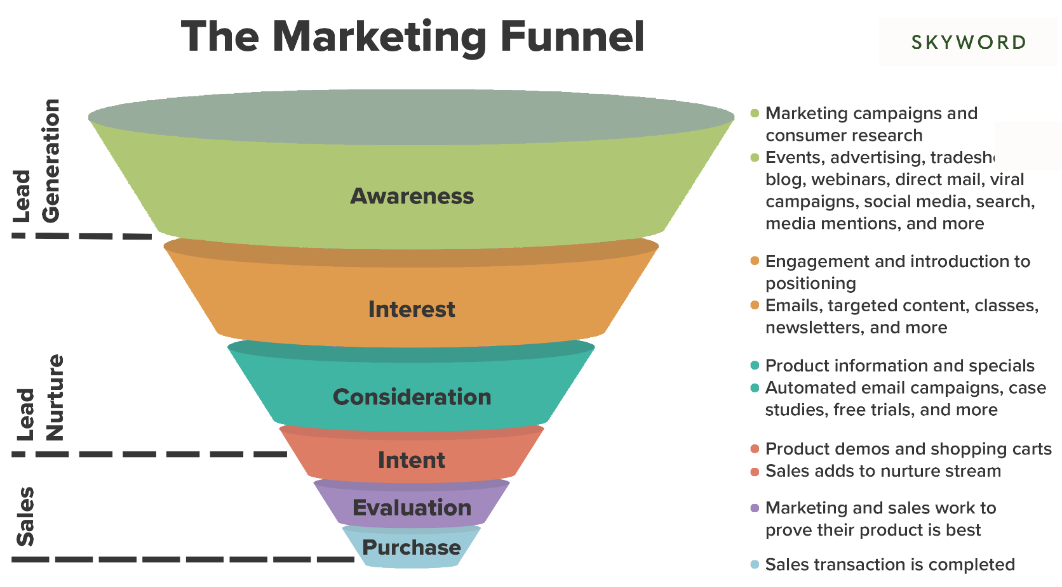

Sprout Social, Inc. | https://sproutsocial.com/glossary/marketing-funnel/
IMG

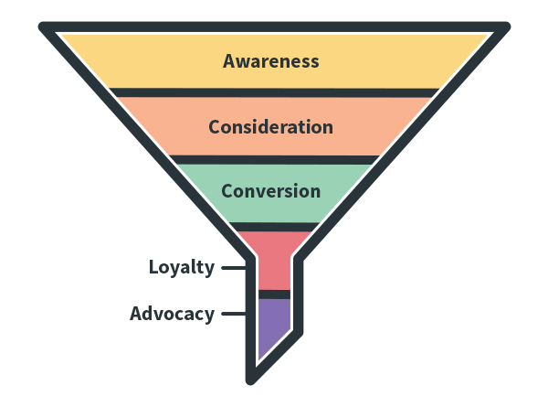

LinkedIn Article | https://www.linkedin.com/pulse/how-get-from-marketing-funnel-cylinder-stephen-yoon/ | Definition: The marketing funnel uses this analogy to describe the buyer's journey - it is a visualisation of the steps someone takes before they become a happy customer. It recognises that although there may be people who have heard of your brand, there are far fewer people interested and would consider purchasing your product.

Marketing Funnel On Mobile App
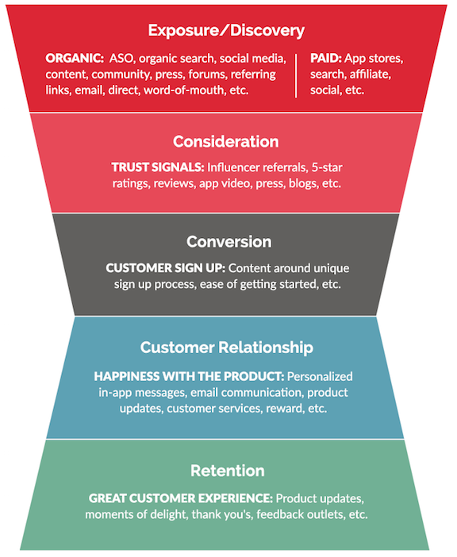
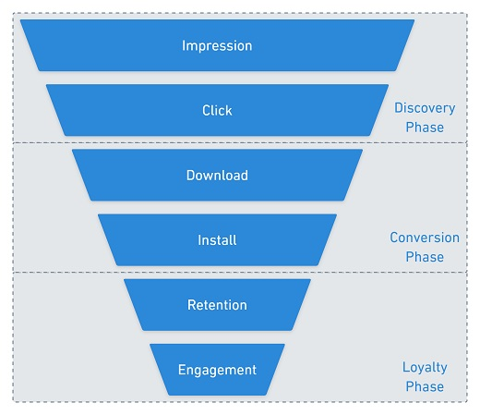

Model Design

Hosting
+
Joining
Hosting
Joining

Matchmaker Model

Gazelles Growth Institute | https://blog.growthinstitute.com/funding/matchmaker-models | How Companies Like Airbnb Use Matchmaker Model to Grow Their Business

Assumption (USD)
Assumption (USD)
Exchange Rate USD/HKD | $7.8
Taxes Rate | 16.5% | Private Limited Company
 |  |  |  | Timeline Launch Date
General Factors
User Number | *User number refer to user_growth_model |  |  | 2022 2Q
User growth rate | 35% |  |  | 2022 2Q
User growth rate | 45% |  |  | 2023 1Q
User growth rate | 50% |  |  | 2024 1Q
Active user rate | 15% | Medium active user rate |  | 2022 2Q
Content writer rate | 10% |  |  | 2022 2Q
Freelancer Initial Number | 15.00 |  |  | 2022 2Q
Freelancer Growth Rate | 75% |  |  | 2022 2Q
Quarter date | 90 | 30 x months

Revenue Factors |  |  |  | Timeline Launch Date

Freelancer Commission |  |  |  | 2022 2Q
Number of event template host by freelancer | 1
Average number of template usage (per month) | 2.0 | -per month, under-estimate
Average price of template (USD) | 55 | -From Airbnb
General Commission rate on template (per quarter) | 20% | -Airbnb (20%)

Consulting Service Charges |  |  |  | 2023 3Q
Data sharing
Ferderated sharing (return for each user) | $0.00128

Cost Factors
Marketing
Average Cost Per Acquisition | $9.1
Drive Factor | 80% | decending rate of AVPA

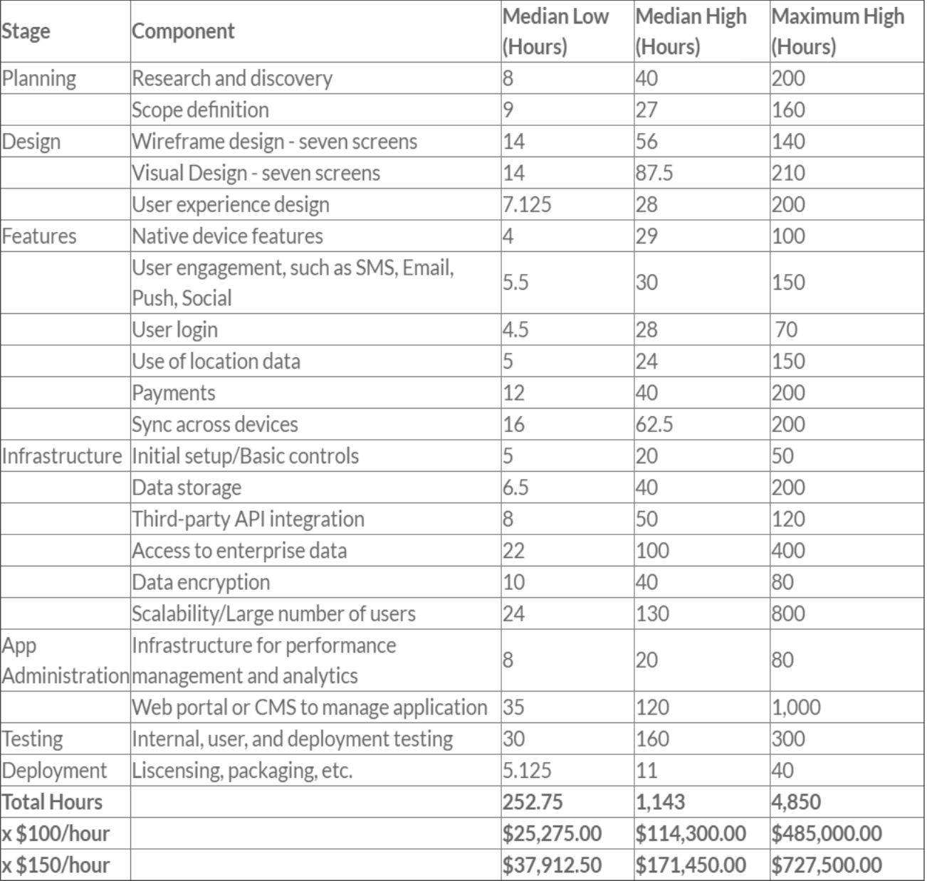
Labour | Man Hours |  |  | Timeline Launch Date
Hourly rate | $50.0

No. of hours
Planning | 67 |  |  | 2022 1Q | 1
Design | 42.9 |  |  | 2022 4Q | 4
Features | 35.6 |  |  | 2023 2Q | 6
Infrastructure | 63.3 |  |  | 2023 2Q | 6
App Administration | 28 |  |  | 2023 1Q | 5
Testing | 160 |  |  | 2022 1Q | 1
Deployment | 2.2 |  |  | 2023 1Q | 5

Company registration | 448 |  |  | 2022 1Q | 1

Vendor Service |  |  |  | Transition
Storage Cost
Storage per Merchants | 2
Article per writer | 1
Storage per Article | 0.02
Storage per user (GB) | 0.01
Storage Cost per GB (USD/monthly) | $0.1

 |  |  | From AWS pricing
EC2 Service Charge | 1 Year Plan |  | Number of User | 3 Year Plan
Monthly Cost for AWS EC2 Service (t4g.medium) | $19.5 |  | 0 | $13.1
Monthly Cost for AWS EC2 Service (t4g.xlarge) | $78.0 |  | 8,000 | $52.6
Monthly Cost for AWS EC2 Service (t4g.2xlarge) | $155.9 |  | 30,000 | $105.1
Monthly Cost for AWS EC2 Service (m6g.4xlarge) | $353.2 |  | 100,000 | $242.2
Monthly Cost for AWS EC2 Service (m6g.8xlarge) | $706.4 |  | 250,000 | $484.4
Monthly Cost for AWS EC2 Service (m6g.16xlarge) | $1,412.8 |  | 500,000 | $968.8
Monthly Cost for AWS EC2 Service (r6g.16xlarge) | $1,789.6 |  | 1,000,000 | $1,227.1
Monthly Cost for AWS EC2 Service (t4g.medium) | $19.5 |  | 0 | $13.1
Monthly Cost for AWS EC2 Service (a1.xlarge) | $54.1 |  | 8,000 | $37.1
Monthly Cost for AWS EC2 Service (a1.2xlarge) | $108.2 |  | 50,000 | $74.2
Monthly Cost for AWS EC2 Service (a1.metal) | $216.1 |  | 250,000 | $148.2
Monthly Cost for AWS EC2 Service (c6g.8xlarge) | $576.9 |  | 1,000,000 | $395.6

Financial
Capital Injection | 142857
Debt Ratio | 40%
Risk free rate | 1.5%
WACC | 2.6%
Bank long term loan rate | 5.00%
Bank loan maximum guarantee period | 60 |  | quarters
Initial loan amount | $- |  | Loan? | N
Maximum Principal Moratorium | N |  | (12 months interst only period)
Total interest | $- |  | https://financial-calculators.com/loan-calculator
Dividend payment in 2022 | 0%
Dividend payment in 2023 | 0%
Dividend payment in 2024 | 0%

Table
Gross Profit
P&L /HKD ('000) | 2022E | 2023E | 2024E
TOTAL REVENUE | 44.88 | 462.35 | 4,336.33
GROSS PROFIT | 42.99 | 459.57 | 4,328.74
NET INCOME | (472.62) | (129.39) | 1,342.70

CASH FLOW / HKD ('000) | 2022E | 2023E | 2024E
Net Cash From Operating Activities | (472.62) | (129.39) | 1,609.99
Cash Balance | (472.62) | (602.01) | 1,007.98

Cash Flow

